Sheet1
Garden Plants- Looking Good List
If any of the plants you order are not available what should we do?
Minimum Order - One Full Trolley Week 18 29.042024
Email: gardencentres@beaverplants.co.uk Telephone: 01342 833 144
 |  |  |  |  |  |  | Outer | Price each | order no. | order £ | Substitute [ ] Contact Me [ ] Neither [ ]
 |  |  |  |  |  |  |  |  | 0 | £0.00 |  | Choose Option | Substitute [ ] Contact Me [ ] Neither [ ]
 |  |  |  |  |  |  |  |  |  |  |  | Substitute | Substitute [X] Contact Me [ ] Neither [ ]
Do you want us to barcode the stock?
Company Name: |  |  |  |  |  |  |  |  |  |  |  | Don't Substitute | Substitute [ ] Contact Me [ ] Neither [X]
 |  |  |  |  |  |  |  |  |  |  |  | Contact Me | Substitute [ ] Contact Me [X] Neither [ ]
Contact Name: |  |  |  |  | Contact No: |  |  |  |  |  |  | 1
If any of the plants you have ordered are not available should we: Substitute [ ] Contact Me [ ] Neither [ ] |  |  |  |  |  |  |  |  |  |  |  | Choose Option | Do you require barcodes on your order: Yes [ ] No [ ]
 |  |  |  |  |  |  |  |  |  | If any of the plants you order are not available what should we do? |  | Yes | Do you require barcodes on your order: Yes [X] No [ ]
Do you require barcodes on your order: Yes [ ] No [ ] |  |  |  |  |  |  |  |  |  |  |  | No | Do you require barcodes on your order: Yes [ ] No [X]
 |  |  |  |  |  |  |  |  |  | If any of the plants you order are not available what should we do? |  | 1 | Do you require barcodes on your order: Yes [ ] No [ ]
 |  | Trolley Deals - Free Delivery - STRONGLY RECOMMEND |  |  |  | Pre-Price £
Order
 | x1 | 10.5cm Grass & Perennial Trolley Deal |  | this comprises of; 420x 10.5cm Grass & Perennials = £562.8- 10% discounted trolley total = £507.00 - see Trolley Deal sheet for list of plants |  |  | 1 | 507 | 0 | 0

 | x1 | 2L Ferns & Hostas Trolley Deal |  | this comprises of: 75x 2L Ferns and 75x 2L Hostas = £509.25 - 10% discounted trolley total = £458.00 |  |  | 1 | 458 | 0 | 0

 | x1 | 5L Fern Trolley Deal |  | this comprises of; 68x 5L Ferns = £463.08- 10% discounted trolley total = £417.00 - see Trolley Deal sheet for list of plants& photos of trolley |  |  | 1 | 417 | 0 | 0

 | x1 | Early Season Trolley Deal |  | this comprises of; 60x 2L Grasses, 60x 2L Ferns, 60x & 17x 5L Ferns. Trade = £523.17 - 10% discounted trolley total = £470.00 - see Trolley Deal sheet for list of plants |  | 2L £ | 1 | 470 | 0 | 0
 |  |  |  |  |  | 5L £

10.5cm Lifestyle (x60 per shelf) |  |  | £1.64 | Barcode: 5021353015409 |  | Pre-Price £
Order |  | Latin Name | Common Name | Description
 | x15 | Heuchera Marvellous Marble | Coral Bells |  | subtle green foliage with pale veins |  | 15 | 1.64 | 0 | 0
 | x15 | Heuchera Melting Fire | Coral Bells |  | heavily ruffles leaves which emerge right red |  | 15 | 1.64 | 0 | 0
 | x15 | Heuchera Palace Purple | Coral Bells |  | old favourite |  | 15 | 1.64 | 0 | 0
0 | x15 | Total

10.5cm Perennials (x60 per shelf) |  |  | £1.34 | Barcode: KTN:5021353015416/ P:5021353015423 |  | Pre-Price £
Order |  | Latin Name | Common Name | Description
 | x15 | Primula Vialii | Orchid Primula |  | the most exotic looking flower of all primulas |  | 15 | 1.34 | 0 | 0
0 | x15 | Total

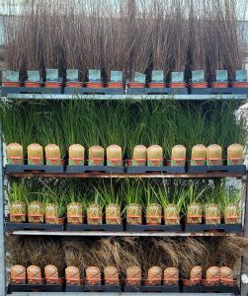
10.5cm Grasses (x60 per shelf) |  |  |  |  |  | Pre-Price £
Barcode: 5021353015447 |  |  | £1.34
Order |  | Latin Name | Common Name
 | x15 | Acorus 'Ogon' | Golden Striped Rush |  |  |  | 15 | 1.34 | 0 | 0
 | x15 | Acorus Gramineus 'Variegatus' | Variegated Sweet Flag |  |  |  | 15 | 1.34 | 0 | 0
 | x15 | Carex Amazon Mist | Sedge |  |  |  | 15 | 1.34 | 0 | 0
 | x15 | Scirpus Cernuus | Fibre Optic Grass |  |  |  | 15 | 1.34 | 0 | 0
 | x15 | Stipa Tenuissima | Feather Grass |  |  |  | 15 | 1.34 | 0 | 0
0 | x15 | Total

2L Hostas (x30 per shelf) |  |  | £3.07 | Barcode: 5021353014280 |  | Pre-Price £
Order |  | Latin Name | Common Name | Description
 | x10 | Hosta Assorted | Mixed Hosta |  | our best selection |  | 10 | 3.07 | 0 | 0
 | x10 | Hosta Abiqua Drinking Gourd | Plantain Lily |  | very large cupped leaf foliage, blue green. |  | 10 | 3.07 | 0 | 0
 | x10 | Hosta Elegans | Plantain Lily |  | large heart-shaped blue grey leaves |  | 10 | 3.07 | 0 | 0
 | x10 | Hosta Fragrant Blue | Plantain Lily |  | glaucous-blue green leaves with fragrant pale lavender/white flowers |  | 10 | 3.07 | 0 | 0
 | x10 | Hosta Frances Williams | Plantain Lily |  | large glaucous leaves, with wide golden variegation |  | 10 | 3.07 | 0 | 0
 | x10 | Hosta Marmalade on Toast | Plantain Lily |  | amazing fast growing blue green sport of Hosta |  | 10 | 3.07 | 0 | 0
0 | x10 | Total

2L Perennials (x30 per shelf) |  |  | £3.07 | Barcode: 5021353013566 |  | Pre-Price £
Order |  | Latin Name | Common Name | Description
 | x10 | Houttuynia Cordata Variegata | Harlequin Plant |  | colourful foliage, citrus scented |  | 10 | 3.07 | 0 | 0
 | x10 | Lobelia 'Queen Victoria' | Red Cardinal |  | crimson red foliage topped by red flowers |  | 10 | 3.07 | 0 | 0
 | x10 | Lobelia Speciosa Fan Scarlet | Cardinal Flower |  | beautiful scarlet flower spikes over bronze foliage |  | 10 | 3.07 | 0 | 0
0 | x10 | Total

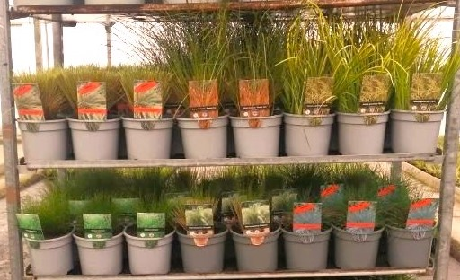
2L Grasses (x30 per shelf) |  |  |  |  |  | Pre-Price £
Barcode: 5021353002201 |  |  | £3.07
Order |  | Latin Name | Common Name
 | x10 | Acorus 'Ogon' | Golden Striped Rush |  |  |  | 10 | 3.07 | 0 | 0
 | x10 | Anemanthele Lessoniana Sirocco | Pheasants Tail Grass |  |  |  | 10 | 3.07 | 0 | 0
 | x10 | Carex Amazon Mist | Sedge |  |  |  | 10 | 3.07 | 0 | 0
 | x10 | Carex Testacea 'Prairie Fire' | Orange New Zealead Sedge |  |  |  | 10 | 3.07 | 0 | 0
 | x10 | Carex Panicea NEW | Carnation Sedge |  |  |  | 10 | 3.07 | 0 | 0
 | x10 | Imperata Red Barron | Japanese Blood Grass |  |  |  | 10 | 3.07 | 0 | 0
 | x10 | Juncus Effusus Spiralis | Corkscrew Rush |  |  |  | 10 | 3.07 | 0 | 0
 | x10 | Phalaris Picta | Ribbon Grass |  |  |  | 10 | 3.07 | 0 | 0
 | x10 | Stipa Tenuissima | Feather Grass |  |  |  | 10 | 3.07 | 0 | 0
0 | x10 | Total

2L Lifestyle (x30 per shelf) |  |  |  |  |  | Pre-Price £
Barcode: 5021353002225 |  |  | £3.72
Order |  | Latin Name | Common Name | Description
 | x10 | Agapanthus Africanus Blue | African Lily |  | large blue flowers over green foliage |  | 10 | 3.72 | 0 | 0
 | x10 | Aloe Black Gem | Black Aloe |  | compact, architectural and black |  | 10 | 3.72 | 0 | 0
 | x10 | Rodgersia Pinnata | Pinnata |  | attractive bronze/green foliage |  | 10 | 3.72 | 0 | 0
 | x10 | Tradescantia Blue and Gold | Spiderwort |  | pretty blue flowers over striking golden foliage |  | 10 | 3.72 | 0 | 0
 | x10 | Tradescantia Purple Sabre | Spiderwort |  | beautiful purple foliage on this new hybrid |  | 10 | 3.72 | 0 | 0
0 | x10 | Total

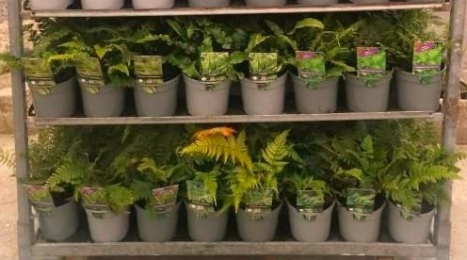
2L Ferns (x30 per shelf) |  |  |  |  |  | Pre-Price £
Barcode: 5021353014273 |  |  | £3.72
Order |  | Latin Name | Common Name
 | x10 | Athyrium Filix-Femina | Lady Fern |  |  |  | 10 | 3.72 | 0 | 0
 | x10 | Athyrium Nipponicum Pictum | Painted Fern |  |  |  | 10 | 3.72 | 0 | 0
 | x10 | Asplenium Scolopendrium | Harts Tongue Fern |  |  |  | 10 | 3.72 | 0 | 0
 | x10 | Dryopteris Affinis | Scaly Male Fern |  |  |  | 10 | 3.72 | 0 | 0
 | x10 | Dryopteris Atrata | Black Wood Fern |  |  |  | 10 | 3.72 | 0 | 0
 | x10 | Dryopteris Erythrosora | Autumn Fern |  |  |  | 10 | 3.72 | 0 | 0
 | x10 | Osmunda Regalis | Royal ferns |  |  |  | 10 | 3.72 | 0 | 0
 | x10 | Polystichum Setiferum | Soft shield fern |  |  |  | 10 | 3.72 | 0 | 0
 | x10 | Polystichum Polyblepharum | Tassel Fern |  |  |  | 10 | 3.72 | 0 | 0
 | x10 | Polystichum Setiferum Herrenhausen | Soft Shield Fern |  |  |  | 10 | 3.72 | 0 | 0
0 | x10 | Total

2L Heuchera (x30 per shelf) |  |  |  |  |  | Pre-Price £
Barcode: 5021353013498 |  |  | £3.72
Order |  | Latin Name | Common Name | Description
 | x10 | Heuchera Palace Purple | Coral Bells |  | old favourite |  | 10 | 3.72 | 0 | 0
0 | x10 | Total

NEW 2L Banana's (x30 per shelf) |  |  |  |  |  | Pre-Price £
Barcode: 5021353002225 |  |  | £3.72
Order |  | Latin Name | Common Name | Description
 | x10 | Musa Basjoo Green | Japanese Banana |  | probably the hardiest of all the bananas |  | 10 | 3.35 | 0 | 0
0 | x10 | Total

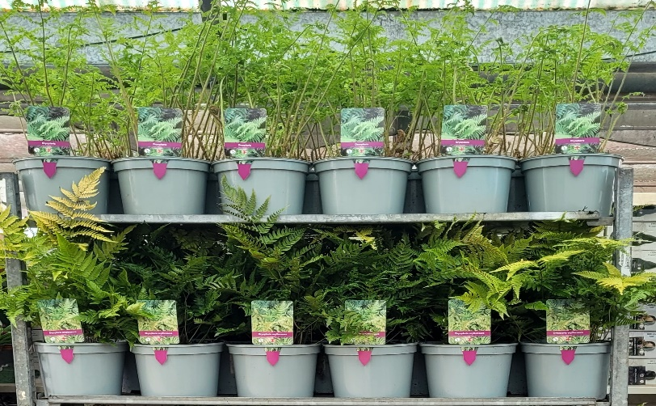
5L Ferns (x17 per shelf) |  |  |  |  |  | Pre-Price £
Barcode: 5021353014303 |  |  | £6.81
Order |  | Latin Name | Common Name
 | x3 | Assorted Ferns | Mixed Ferns |  |  |  | 3 | 6.81 | 0 | 0
 | x3 | Athyrium Filix-Femina | Lady Fern |  |  |  | 3 | 6.81 | 0 | 0
 | x3 | Athyrium Nipponicum Pictum | Painted Fern |  |  |  | 3 | 6.81 | 0 | 0
 | x3 | Blechnum Spicant | Hard Fern |  |  |  | 3 | 6.81 | 0 | 0
 | x3 | Dryopteris Affinis | Scaly Male Fern |  |  |  | 3 | 6.81 | 0 | 0
 | x3 | Dicksonia Antarctica | Soft Tree Fern
 | x3 | Polystichum Ringens | Rigid Shield Fern |  |  |  | 3 | 6.81 | 0 | 0
0 | x3 | Total

5L Lifestyle (x17 per shelf) |  |  |  |  |  | Pre-Price £
Barcode: 5021353011609 |  |  | £6.81
Order |  | Latin Name | Common Name | Description
 | x3 | Equisetum Japonicum | Barred Horsetail |  | striking, architectural plant from japan |  | 3 | 6.81 | 0 | 0
0 | x3 | Total

5L Grass (x17 per shelf) |  |  |  |  |  | Pre-Price £
Barcode: 5021353013764 |  |  | £5.95
Order |  | Latin Name | Common Name | Description
 | x3 | Acorus 'Ogon' | Golden Striped Rush |  |  |  | 3 | 5.95 | 0 | 0
 | x3 | Carex Morrowii 'Goldband' | Japenese Sedge |  | stiff dark green leaves with gold edges |  | 3 | 5.95 | 0 | 0
 | x3 | Carex Testacea | NZ Sedge |  | olive green foliage turning coppery orange in autumn |  | 3 | 5.95 | 0 | 0
 | x3 | Festuca Amethystina | Tufted Fescue |  | evergreen tufts of blue/green needle-like foliage |  | 3 | 5.95 | 0 | 0
 | x3 | Leymus Arenarius Blue Dune | Lyme Grass |  | native grass with grey/blue foliage |  | 3 | 5.95 | 0 | 0
 | x3 | Miscanthus Little Zebra | Dwarf Zebra Grass |  | wonderful new dwarf hybrid |  | 3 | 5.95 | 0 | 0
 | x3 | Pennisetum Alopecuroides | Fountain Grass |  | bottlebrush spikes of silvery white flowers |  | 3 | 5.95 | 0 | 0
0 | x3 | Total

4.5L Fargesia 'Formidable' (x21per shelf) |  |  |  |  |  | Pre-Price £
Barcode: 5021353014389 |  |  | £12.50
Order |  | Latin Name | Common Name | Description
 | x3 | Fargesia Robusta 'Formidable' | Fountain Bamboo |  | tough, evergreen bamboo forming dense clumps of deep blue-green |  | 3 | 13.5 | 0 | 0
0 | x3 | Total

5.5L Premium Planted Terracotta Hosta (x11 per Shelf) |  |  | £9.00 |  |  | Pre-Price £
Barcode: 5021353015621
BUY x10 GET THE x11th FREE - NETT PRICE ONLY
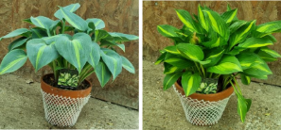
Order |  | Latin Name | Common Name
 | x2 | Premium Planted Terracotta Hosta Assorted |  |  |  |  | 2 | 9 | 0 | 0
 | x3 | Premium Planted Terracotta Hosta Abiqua Drinking Gourd |  |  |  |  | 2 | 9 | 0 | 0
 | x3 | Premium Planted Terracotta Hosta Blue Mouse Ears |  |  |  |  | 2 | 9 | 0 | 0
 | x3 | Premium Planted Terracotta Hosta Catherine |  |  |  |  | 2 | 9 | 0 | 0
 | x3 | Premium Planted Terracotta Hosta First Frost |  |  |  |  | 2 | 9 | 0 | 0
 | x3 | Premium Planted Terracotta Hosta Fragrant Bouquet |  |  |  |  | 2 | 9 | 0 | 0
 | x3 | Premium Planted Terracotta Hosta Lady Guinevere |  |  |  |  | 2 | 9 | 0 | 0
 | x3 | Premium Planted Terracotta Hosta Marmalade on Toast |  |  |  |  | 2 | 9 | 0 | 0
0 | x2 | Total

NEW 5.5L Premium Planted Terracotta Fern (x11 per Shelf) |  |  | £9.50 |  |  | Pre-Price £
Barcode: 5021353015638
BUY x10 GET THE x11th FREE - NETT PRICE ONLY
Order |  | Latin Name | Common Name
 | x2 | Premium Planted Terracotta Fern Assorted |  |  |  |  | 2 | 9.5 | 0 | 0
0 | x2 | Total

